Sheet1
S.N. | IMAGE | MODEL NO. | COLOR | STYLE | QTY | EAN CODE | MRP | REMARKS | Name
1 | 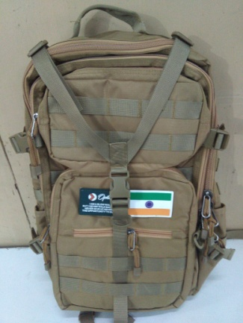 | OPT-N-026 | BROWN | BACKPACK | 99 |  | 4999 | DISCOUNT@ 60% FOR ON LINE | Treat em good
2 | 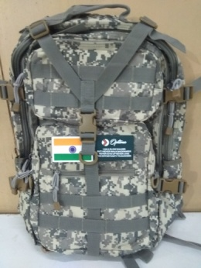 | OPT-N-027 | Army GREY | BACKPACK | 100 |  | 4999 | done | Army
3 | 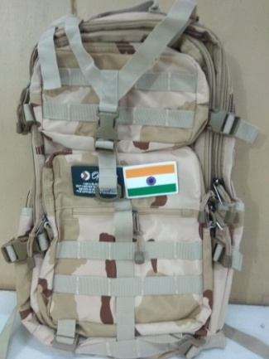 | OPT-N-028 | Army BROWN | BACKPACK | 100 |  | 4999 | done | Lions Pride
4 | 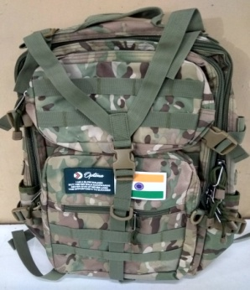 | OPT-N-029 | ARMY GREEN | BACKPACK | 59 |  | 4999 | done | Triple Threat
6 | 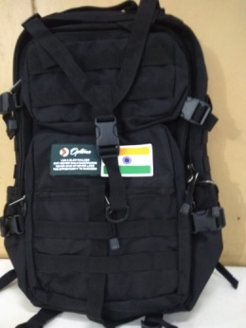 | OPT-N-030 | BLACK | BACKPACK | 140 |  | 4999 | done | Born to shine
5 | 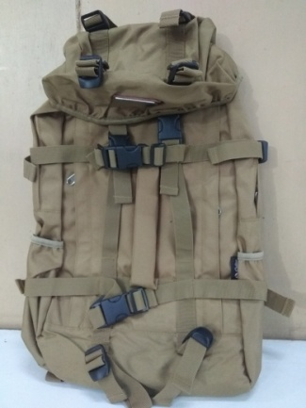 | OPT-N-031 | BROWN | BACKPACK | 200 |  | 3999 |  | Machine Gun backpack
7 | 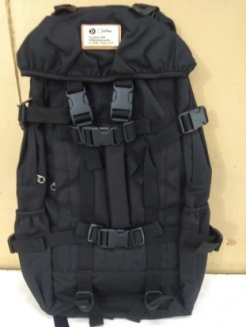 | OPT-N-032 | BLACK | BACKPACK | 200 |  | 3999 |  | Don’t walk away
8 | 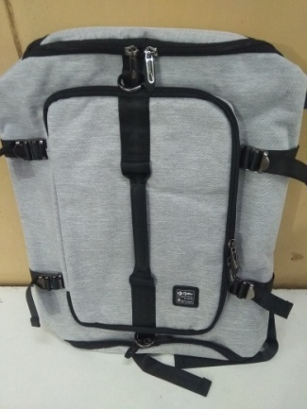 | OPT-N-033 | GREY/BLACK | BACKPACK | 99 |  | 3999 |  | Cut the line short
9 | 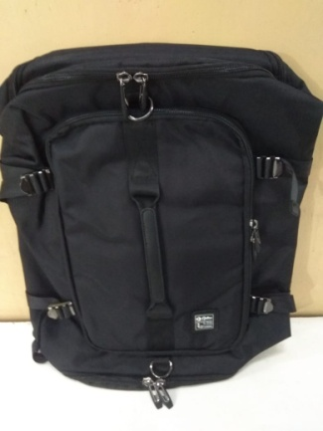 | OPT-N-034 | BLACK | BACKPACK | 99 |  | 3999 |  | Stop and Stare
10 | 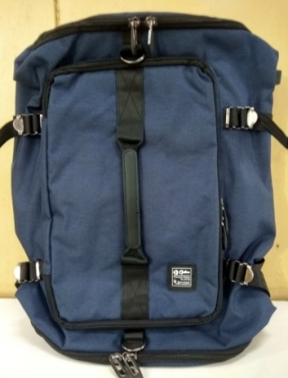 | OPT-N-035 | NAVY/BALCK | BACKPACK | 100 |  | 3999 |  | Stop Hating
11 | 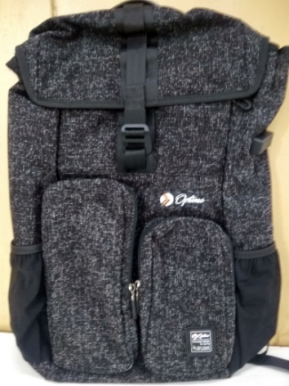 | OPT-N-036 | BLACK | BACKPACK | 150 |  | 3999 |  | King of Kings
12 | 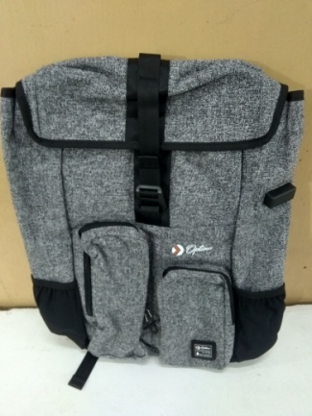 | OPT-N-037 | WHITE/BLACK | BACKPACK | 150 |  | 3999 |  | No Fux Given
13 | 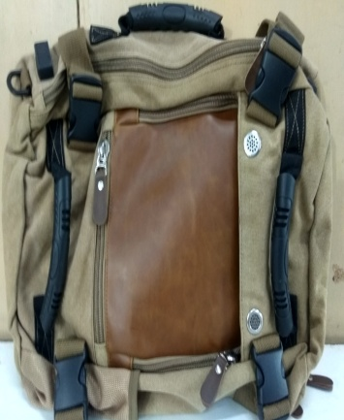 | OPT-N-038 | BROWN | FILE BAG | 150 |  | 3999 |  | outshine the sun
14 | 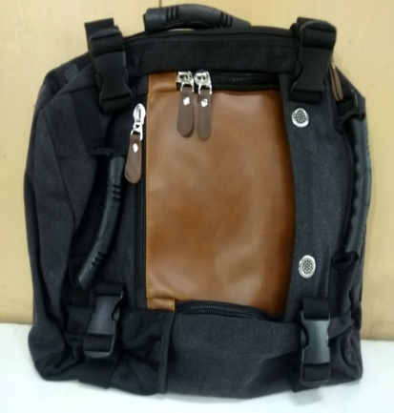 | OPT-N-039 | BLACK | FILE BAG | 150 |  | 3999 |  | All eyes on me
15 | 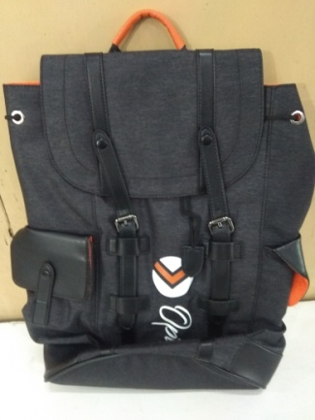 | OPT-N-040 | BLACK/ORANG | BACKPACK | 150 |  | 4999 |  | Carter Backpack
16 | 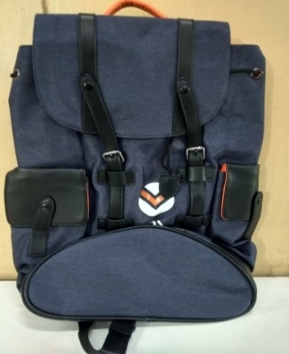 ` | OPT-N-041 | NAVY/ORANG | BACKPACK | 149 |  | 4999 |  | Mercellus Poncho
17 | 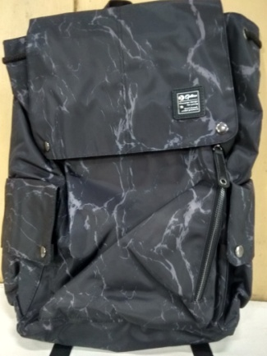 | OPT-N-042 | BLACK | BACKPACK | 300 |  | 3999 |  | Stop and Stare
18 | 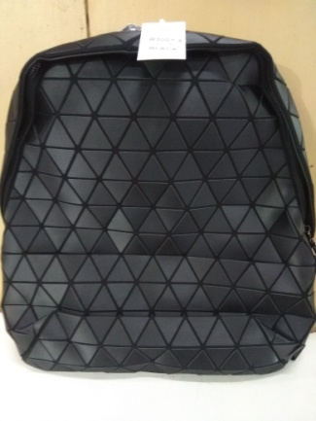 | OPT-N-043 | BLACK | BACKPACK | 50 |  | 2999 |  | Umma Do me Moto
19 | 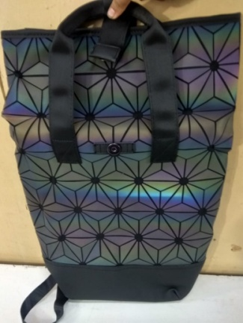 | OPT-N-044 | BLACK | BACKPACK | 50 |  | 3999 |  | cant get over me
20 | 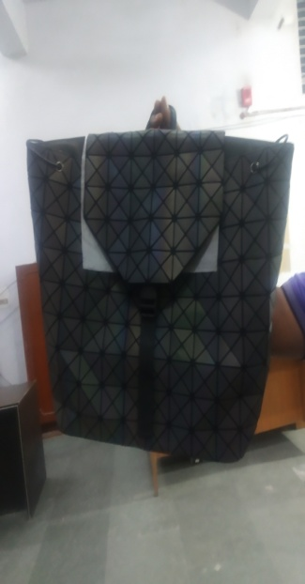 | OPT-N-045 | GREY | BACKPACK | 50 |  | 3999 |  | High Klass
 |  |  |  | TOTAL | 2545

